TCS NQT OVERVIEW


NUMERICAL ABILITY
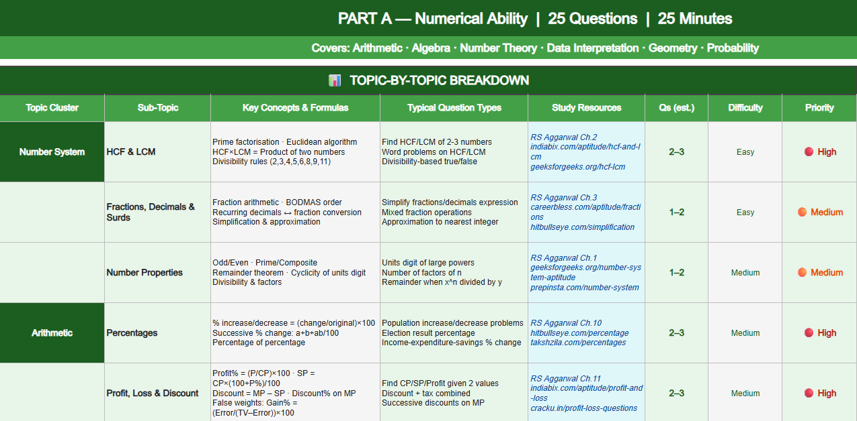

DONE METER

DONE

DONE

DONE

DONE

DONE

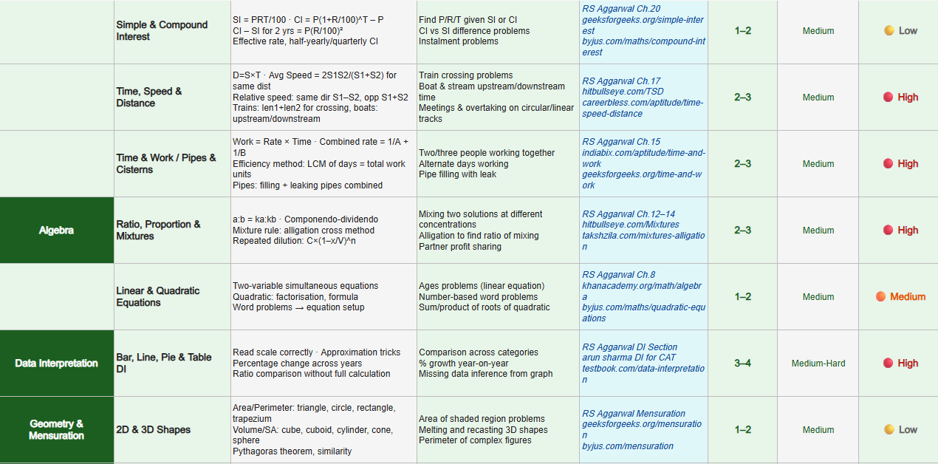
DONE

DONE

DONE

VERBAL
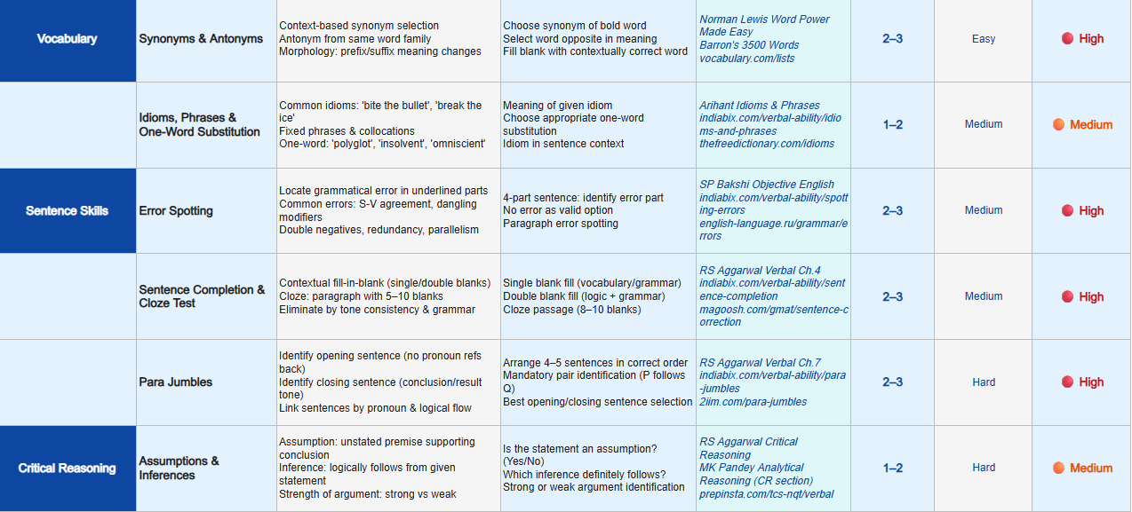
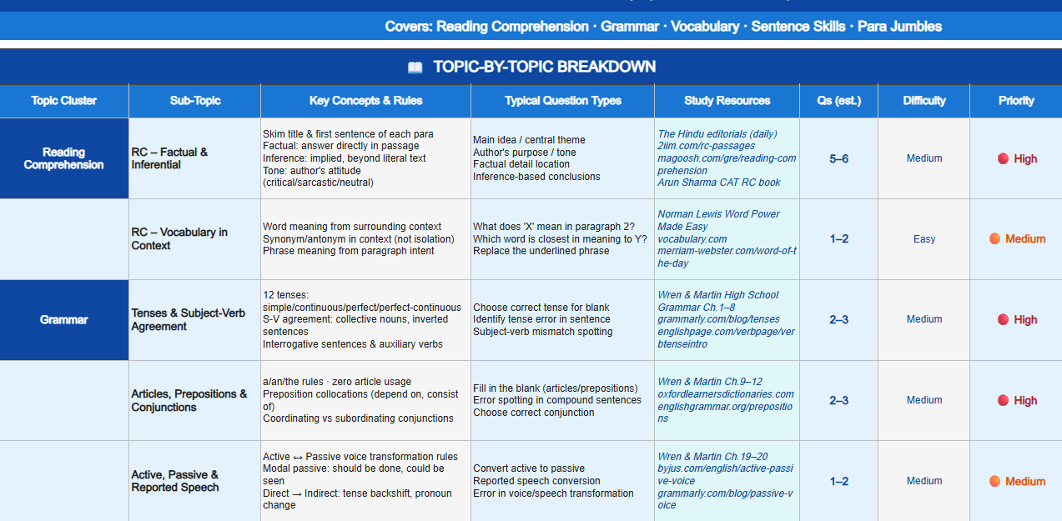

DONE METER

DONE

DONE

LOGICAL REASONING
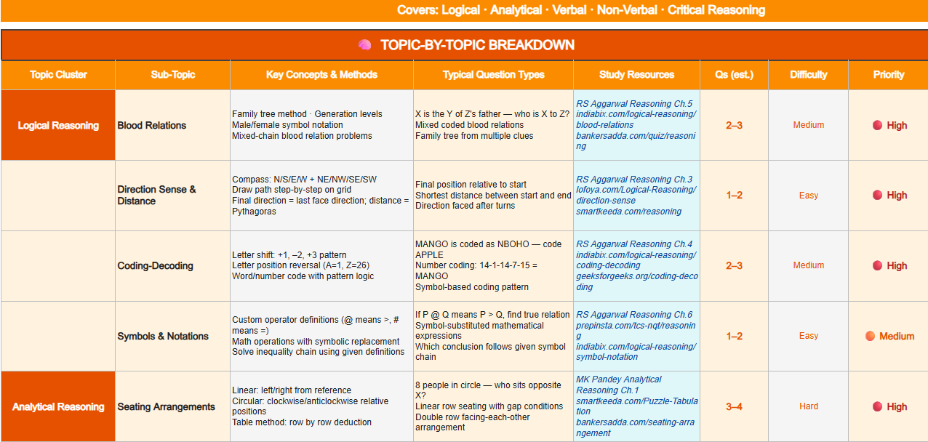

DONE METER

DONE

DONE

DONE

DONE

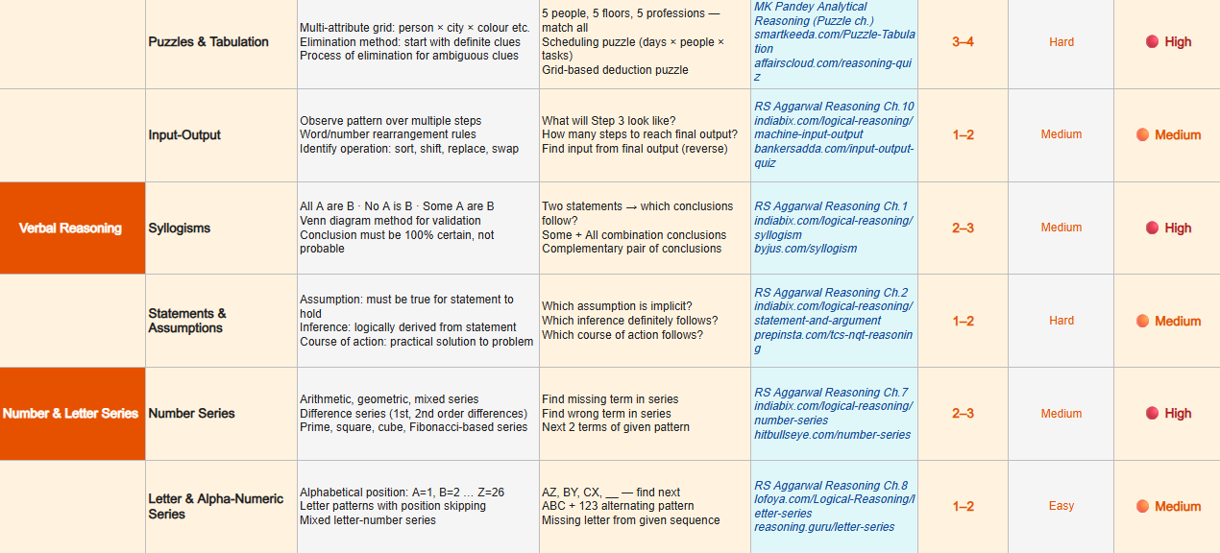

DONE

DONE

DONE

DONE

DONE

ADV APTITUDE
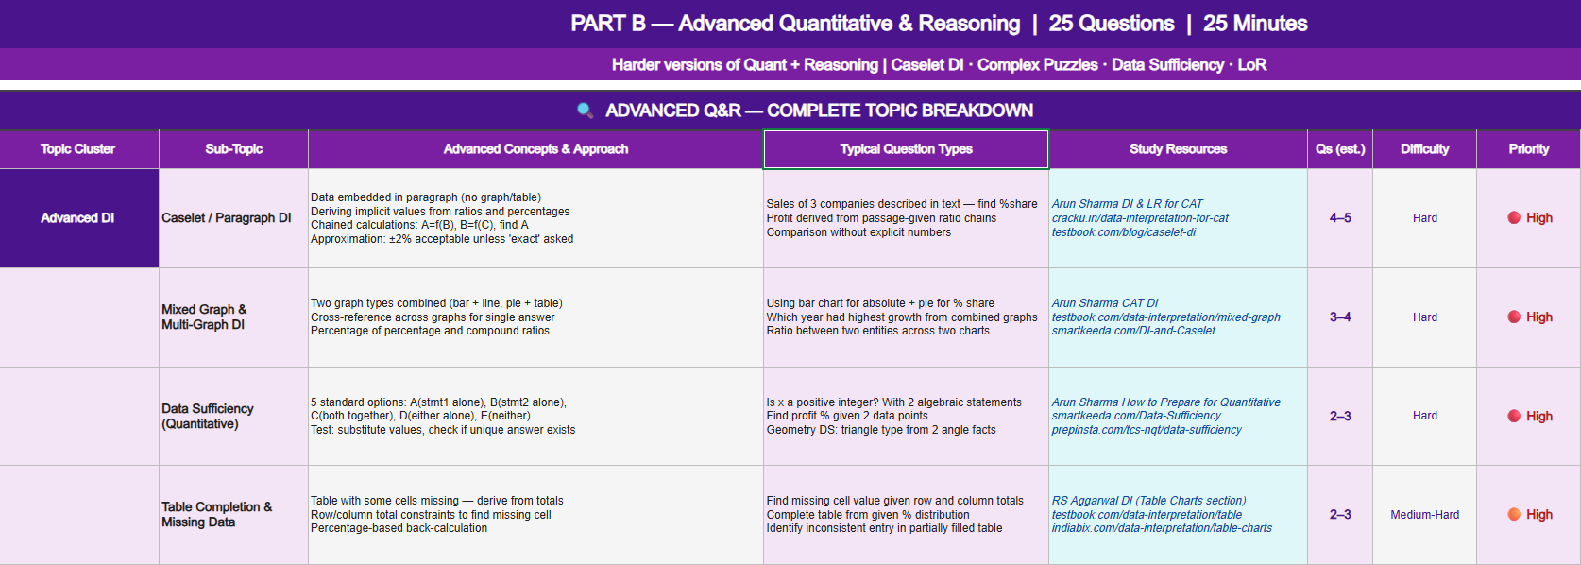

ADVANCED CODING
